Bug Reports
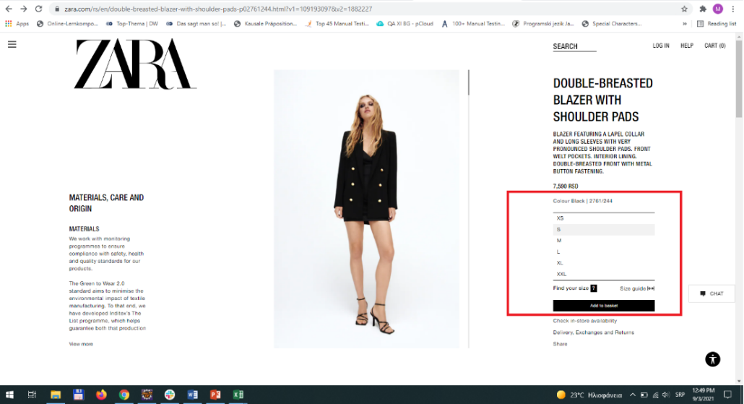
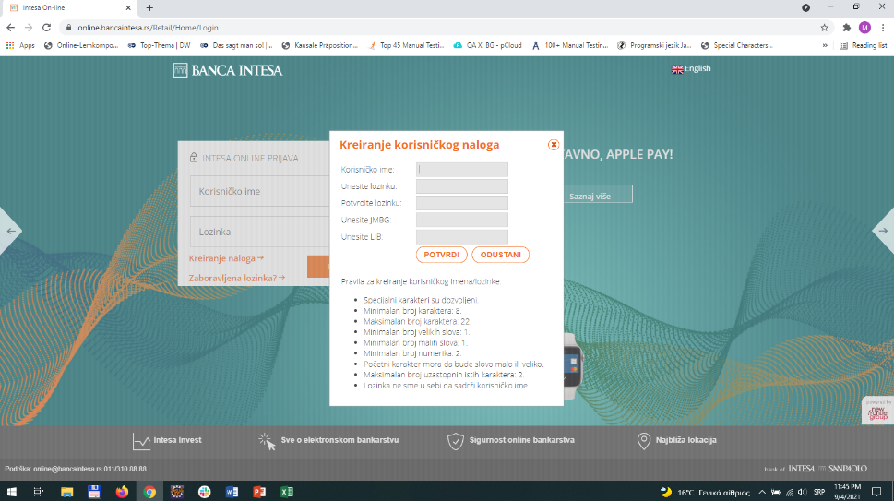
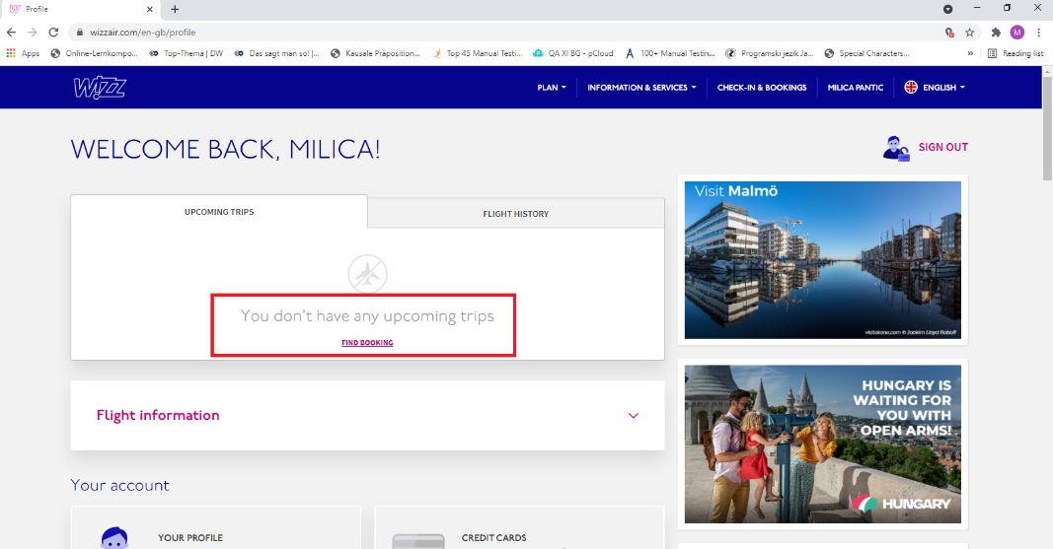
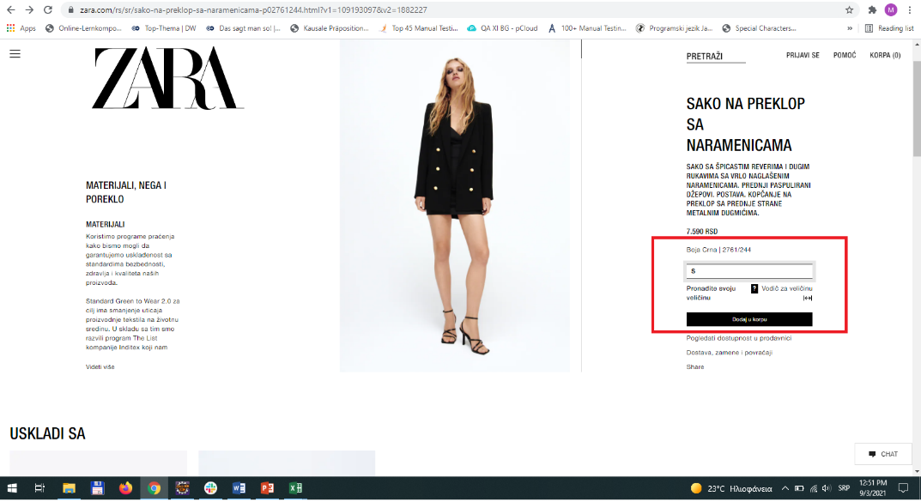
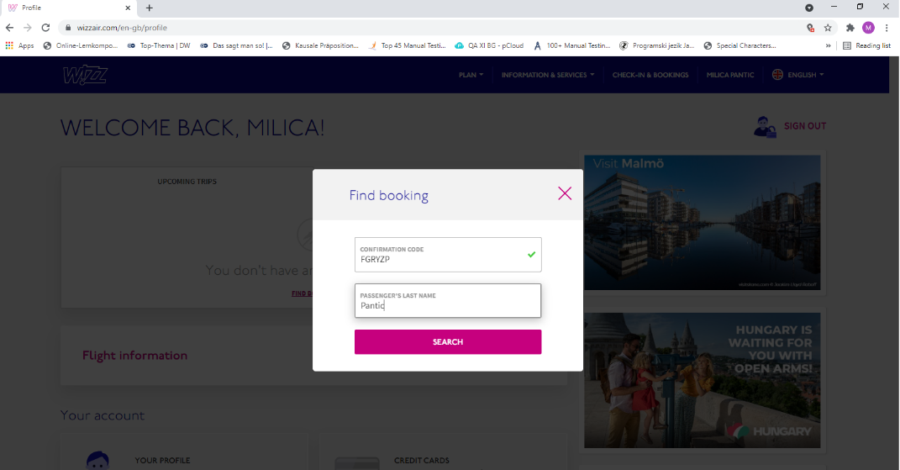
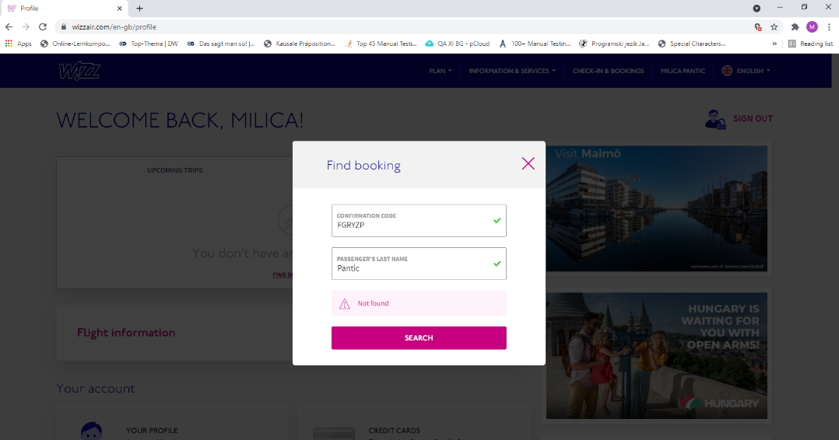
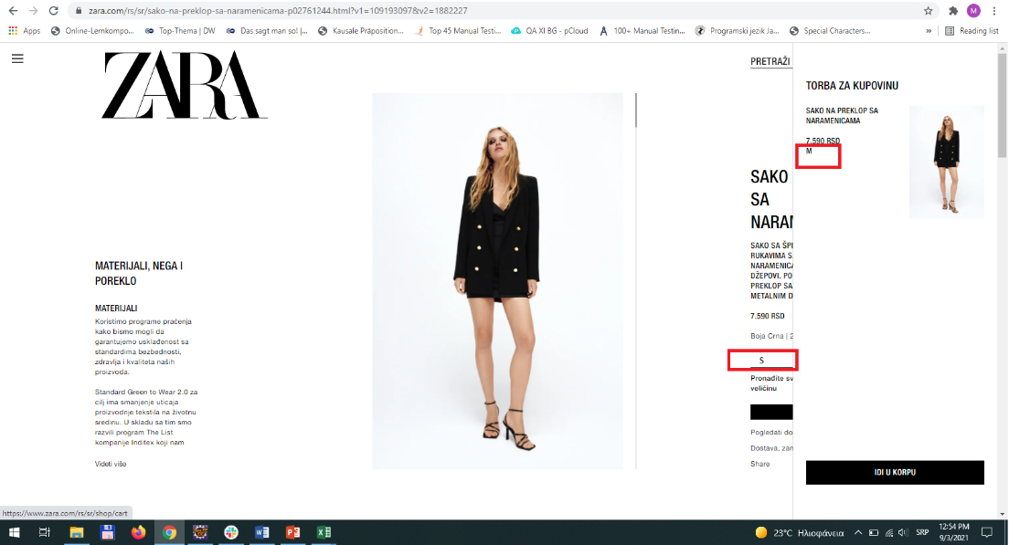
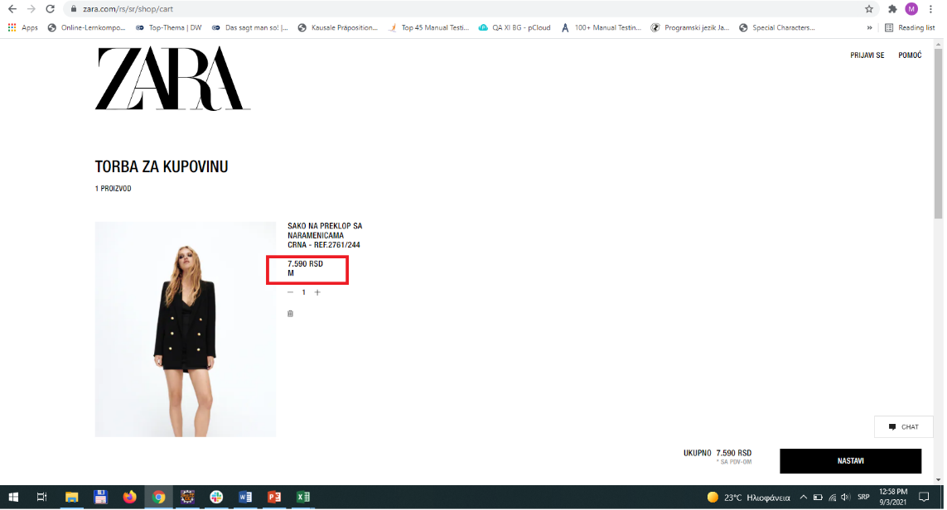
 | category | value
1 | Bug ID | ID_01 | ID_02 | ID_03
2 | Summary | Product cannot be added to basket by specified size | Maximum consecutive identical characters in Username is 3 instead of two | Booking details for upcoming flight cannot be found on profile page
3 | Reporter | Milica Pantić | Milica Pantić | Milica Pantić
4 | Submit Date | 2021-03-09 | 2021-03-09 | 2021-03-09
5 | Assigned to | Petar Radojević | Igor Pavlović | Ivan Petrović
6 | Environment | Google Chrome Version 93.0.4577.63 (Official Build) (64-bit) | Google Chrome Version 93.0.4577.63 (Official Build) (64-bit) | Google Chrome Version 93.0.4577.63 (Official Build) (64-bit)
 |  | Google Chrome Version 93.0.4577.63 (Official Build) (64-bit) | Google Chrome Version 93.0.4577.63 (Official Build) (64-bit) | Google Chrome Version 93.0.4577.63 (Official Build) (64-bit)
7 | Description | Online Zara shopping application won't add chosen size of product in the basket; instead, it chooses another size | When creating user account, codition that maximum identical characters in a row must be 2 does not function | When signing in and trying to find upcoming flight, there are no details about flight on profile page
8 | Steps to reproduce: | 1) Go to browser (both Chrome and Mozzila) 2) Type zara in search 3) Go to www.zara.com 4) Find an item: https://www.zara.com/rs/sr/woman-blazers-l1055.html?v1=1882227 5) Choose an item: https://www.zara.com/rs/sr/sako-na-preklop-sa-naramenicama-p02761244.html?v1=109193097&v2=1882227 6) Chooze size S 7) Add to basket 8) There is a pop-up window that shows your order, but not in chosen size, instead it chooses M size 9) When button go to basket at the bottom of pop-up window is clicked, it redirects to basket where size of product is not same as the chosen size https://www.zara.com/rs/en/shop/cart | 1) Go to browswer (Chrome and Mozzila) 2) Type "Intesa On-line" in search 3) Go to website online.bancaintesa.rs 4) Click on "Create Account" 5) Type as Username "Milicaaa53" to verify if condition that max identical consecutive characters must be 2 is true 6) When Username with 3 dentical consecutive characters is entered (e.g. Milicaaa53), application accepts the Username, even though it is not valid | 1) Open browser (Chrome/Mozzila) 2) Type wizzair in serach 3) Open wizzair.com 4) Sign in with email and password 5) Go to "profile" on right top corner 6) There is message "You don't have any upcoming trips" 7) Click "find booking" beneath that text 8) Type correct confirmation code that is sent by email when flight was booked 9) Type passanger's name 10) When clicked on button serach, there is a warning message "Not found!"
9 | Expected result | When choosing S size, S size of product should be added to basket | When entering Username with 3 identical consecutive characters there must be error message that Username is not valid | When signing in and going to profile page, there should be details about upcoming flight on top of the page
10 | Actual result | When choosing S size, M size of product is added to basket | When entering Username with 3 identical consecutive characters, program accepts Username, although it is not valid | When signing in and going to profile page, there are no details about upcoming flight on top of the page, only message that says ""You don't have any upcoming trips"
9 | Priority | HIGH | Medium | HIGH
10 | Severity | Medium | Medium | HIGH
11 | Notes | Bug is probably caused by late update of sold and reserved merchandise
12 | Screenshots

